Sheet1
Name + Deadline | CommonApp? | Music Portfolio? | Teacher Rec | Supplementals | Other | Notes
Stanford (Oct 15) | Personal Essay | Earlier deadline (Oct 15), and optional teacher rec. Submit two or three pieces that demonstrate your ability in a variety of styles, periods or tempi. (CHECK FOR ART RESUME) | 2 required, 1 optional (Mrs. Falk) | What is the most significant challenge that society faces today? | How did you spend your last two summers? | What historical moment or event do you wish you could have witnessed? | Briefly elaborate on one of your extracurricular activities, a job you hold, or responsibilities you have for your family. | List five things that are important to you. | The Stanford community is deeply curious and driven to learn in and out of the classroom. Reflect on an idea or experience that makes you genuinely excited about learning. | Virtually all of Stanford's undergraduates live on campus. Write a note to your future roommate that reveals something about you or that will help your roommate – and us – get to know you better. | Please describe what aspects of your life experiences, interests and character would help you make a distinctive contribution as an undergraduate to Stanford University. | do I need an music resume? Check the submission website
UVA (Nov 1) | Personal Essay | Students who exhibit exceptional talent in the arts may submit an arts portfolio through the Common Application via Slideroom. This portfolio is an optional part of the application process and is intended for those who plan to engage seriously in the University’s arts departments as students. |  | What about your individual background, perspective, or experience will serve as a source of strength for you or those around you at UVA? Feel free to write about any past experience or part of your background that has shaped your perspective and will be a source of strength, including but not limited to those related to your community, upbringing, educational environment, race, gender, or other aspects of your background that are important to you.* | Optional: If you have a personal or historic connection with UVA, and if you’d like to share how your experience of this connection has prepared you to contribute to the University, please share your thoughts here. Such relationships might include, but are not limited to, being a child of someone who graduated from or works for UVA, a descendant of ancestors who labored at UVA, or a participant in UVA programs. | check music portfolio submission website | 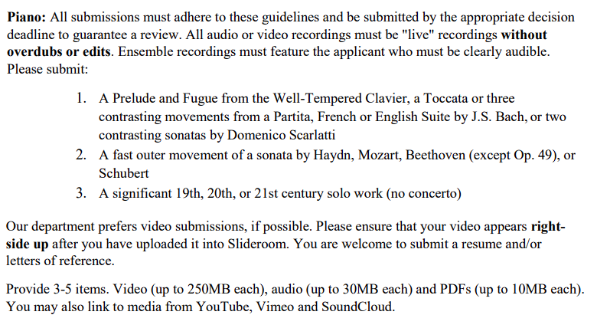
CMU | Personal Essay |  | We require two letters of recommendation, one from a high school counselor and one from a teacher. While we'll accept a third recommendation from a teacher or other recommender, we require our committees to consider only two recommendations in the decision-making process. | Most students choose their intended major or area of study based on a passion or inspiration that’s developed over time – what passion or inspiration led you to choose this area of study? | Many students pursue college for a specific degree, career opportunity or personal goal. Whichever it may be, learning will be critical to achieve your ultimate goal. As you think ahead to the process of learning during your college years, how will you define a successful college experience? | Consider your application as a whole. What do you personally want to emphasize about your application for the admission committee’s consideration? Highlight something that’s important to you or something you haven’t had a chance to share. Tell us, don’t show us (no websites please). (all 300) | When it comes to deciding whether to submit standardized test scores, occasionally applicants want us to better understand the individual context of their decision. If you'd like to take advantage of this opportunity, please share any information about your decision here. This is an optional question for those who may want to provide additional context for consideration.
Berkeley |  |  |  | (300 word maximum)
UIUC
UW
UofT
Northeastern
W&M
Vtech

